ITIAF
 | ITI MUTUAL FUND (LIVE SCHEMES)
 | ITI Arbitrage Fund

 | Monthly Portfolio Statement as on August 31,2023
 | Name of the Instrument | ISIN | Industry | Quantity | Market/Fair Value (Rs. in Lakhs) | % to Net Assets | Yield of the Instrument | Notes & Symbols
 | Equity & Equity related
 | (a) Listed / awaiting listing on Stock Exchanges
SPIL03 | Sun Pharmaceutical Industries Limited | INE044A01036 | Pharmaceuticals & Biotechnology | 4,900 | 54.47 | 5.74%
CANB01 | Canara Bank | INE476A01014 | Banks | 16,200 | 51.90 | 5.47%
KOMA02 | Kotak Mahindra Bank Limited | INE237A01028 | Banks | 2,400 | 42.21 | 4.45%
CANH02 | Can Fin Homes Limited | INE477A01020 | Finance | 4,875 | 36.63 | 3.86%
HICO02 | Hindustan Copper Limited | INE531E01026 | Non - Ferrous Metals | 21,200 | 33.59 | 3.54%
BKBA02 | Bank of Baroda | INE028A01039 | Banks | 17,550 | 32.84 | 3.46%
SAEL02 | TVS Motor Company Limited | INE494B01023 | Automobiles | 2,100 | 29.82 | 3.14%
AARI02 | Aarti Industries Limited | INE769A01020 | Chemicals & Petrochemicals | 6,000 | 29.51 | 3.11%
INAV01 | InterGlobe Aviation Limited | INE646L01027 | Transport Services | 1,200 | 29.22 | 3.08%
HAIL03 | Havells India Limited | INE176B01034 | Consumer Durables | 2,000 | 27.69 | 2.92%
IIBL01 | IndusInd Bank Limited | INE095A01012 | Banks | 2,000 | 27.56 | 2.90%
MCEX01 | Multi Commodity Exchange of India Limited | INE745G01035 | Capital Markets | 1,600 | 27.01 | 2.85%
DENI02 | Deepak Nitrite Limited | INE288B01029 | Chemicals & Petrochemicals | 1,200 | 26.64 | 2.81%
HDFB03 | HDFC Bank Limited | INE040A01034 | Banks | 1,650 | 25.93 | 2.73%
GRAS02 | Grasim Industries Limited | INE047A01021 | Cement & Cement Products | 1,425 | 25.52 | 2.69%
HDLI01 | HDFC Life Insurance Company Limited | INE795G01014 | Insurance | 3,300 | 21.28 | 2.24%
ABFS01 | Aditya Birla Capital Limited | INE674K01013 | Finance | 10,800 | 19.56 | 2.06%
SLIF01 | SBI Life Insurance Company Limited | INE123W01016 | Insurance | 1,500 | 19.39 | 2.04%
MNGF02 | Manappuram Finance Limited | INE522D01027 | Finance | 12,000 | 18.55 | 1.95%
JSPL03 | Jindal Steel & Power Limited | INE749A01030 | Ferrous Metals | 2,500 | 17.11 | 1.80%
IFEL01 | Oracle Financial Services Software Limited | INE881D01027 | IT - Software | 400 | 16.44 | 1.73%
NACL03 | National Aluminium Company Limited | INE139A01034 | Non - Ferrous Metals | 15,000 | 14.12 | 1.49%
CHOL02 | Cholamandalam Investment and Finance Company Ltd | INE121A01024 | Finance | 1,250 | 14.02 | 1.48%
UBBL02 | United Breweries Limited | INE686F01025 | Beverages | 800 | 12.13 | 1.28%
BINL01 | Indus Towers Limited | INE121J01017 | Telecom - Services | 6,800 | 11.91 | 1.26%
MAUD01 | Maruti Suzuki India Limited | INE585B01010 | Automobiles | 100 | 10.00 | 1.05%
JKCE01 | JK Cement Limited | INE823G01014 | Cement & Cement Products | 250 | 8.24 | 0.87%
SHCE01 | Shree Cement Limited | INE070A01015 | Cement & Cement Products | 25 | 5.95 | 0.63%
METR01 | Metropolis Healthcare Limited | INE112L01020 | Healthcare Services | 400 | 5.36 | 0.57%
 | Sub Total |  |  |  | 694.60 | 73.20%
 | (b) Unlisted |  |  |  | NIL | NIL
 | Sub Total |  |  |  | NIL | NIL
 | Total |  |  |  | 694.60 | 73.20%
 | Debt Instruments

 | a) Listed/awaiting listing on the stock exchanges |  |  |  | NIL | NIL

 | b) Privately Placed/Unlisted |  |  |  | NIL | NIL

 | c) Securitised Debt Instruments |  |  |  | NIL | NIL

 | d) Central Government Securities |  |  |  | NIL | NIL

 | e) State Government Securities |  |  |  | NIL | NIL

 | Total |  |  |  | NIL | NIL
 | Money Market Instruments |  |  |  | NIL | NIL

 | a) Commercial Paper |  |  |  | NIL | NIL

 | b) Certificate of Deposits |  |  |  | NIL | NIL

 | c) Treasury Bills |  |  |  | NIL | NIL

 | d) Bills Re-Discounting |  |  |  | NIL | NIL

 | Total |  |  |  | NIL | NIL
 | Others
 | Mutual Fund Units
147157 | ITI Liquid Fund - Direct Plan - Growth Option | INF00XX01283 |  | 13,696 | 165.73 | 17.46%
 | Sub Total |  |  |  | 165.73 | 17.46%
 | Exchange Traded Funds |  |  |  | NIL | NIL
 | Sub Total
 | Gold |  |  |  | NIL | NIL
 | Sub Total
 | Short Term Deposits |  |  |  | NIL | NIL
 | Sub Total
 | Term Deposits Placed as Margins |  |  |  | NIL | NIL
 | Sub Total
 | Total |  |  |  | 165.73 | 17.46%
 | CBLO / Reverse Repo / TREPS |  |  |  | NIL | NIL

 | Total |  |  |  | NIL | NIL | null
 | Net Receivables / (Payables) |  |  |  | 88.75 | 9.34%
 | GRAND TOTAL |  |  |  | 949.08 | 100.00%

 | DERIVATIVES
 | Name of the Instrument | Long / Short | Industry ^ | Quantity | Market value (Rs. in Lakhs) | % to Net Assets | Yield of the Instrument | Notes & Symbols
METRSEP23 | Metropolis Healthcare Limited | Short | Healthcare Services | -400 | (5.40) | (0.57)%
SHCESEP23 | Shree Cement Limited | Short | Cement & Cement Products | -25 | (5.98) | (0.63)%
JKCESEP23 | JK Cement Limited | Short | Cement & Cement Products | -250 | (8.28) | (0.87)%
MAUDSEP23 | Maruti Suzuki India Limited | Short | Automobiles | -100 | (10.07) | (1.06)%
BINLSEP23 | Indus Towers Limited | Short | Telecom - Services | -6,800 | (11.97) | (1.26)%
UBBLSEP23 | United Breweries Limited | Short | Beverages | -800 | (12.19) | (1.28)%
NACLSEP23 | National Aluminium Company Limited | Short | Non - Ferrous Metals | -15,000 | (14.06) | (1.48)%
CHOLSEP23 | Cholamandalam Investment and Finance Company Ltd | Short | Finance | -1,250 | (14.12) | (1.49)%
IFELSEP23 | Oracle Financial Services Software Limited | Short | IT - Software | -400 | (16.49) | (1.74)%
JSPLSEP23 | Jindal Steel & Power Limited | Short | Ferrous Metals | -2,500 | (17.21) | (1.81)%
MNGFSEP23 | Manappuram Finance Limited | Short | Finance | -12,000 | (18.67) | (1.97)%
SLIFSEP23 | SBI Life Insurance Company Limited | Short | Insurance | -1,500 | (19.54) | (2.06)%
ABFSSEP23 | Aditya Birla Capital Limited | Short | Finance | -10,800 | (19.77) | (2.08)%
HDLISEP23 | HDFC Life Insurance Company Limited | Short | Insurance | -3,300 | (21.38) | (2.25)%
GRASSEP23 | Grasim Industries Limited | Short | Cement & Cement Products | -1,425 | (25.68) | (2.71)%
HDFBSEP23 | HDFC Bank Limited | Short | Banks | -1,650 | (26.10) | (2.75)%
DENISEP23 | Deepak Nitrite Limited | Short | Chemicals & Petrochemicals | -1,200 | (26.85) | (2.83)%
MCEXSEP23 | Multi Commodity Exchange of India Limited | Short | Capital Markets | -1,600 | (26.92) | (2.84)%
...
 | Notes & Symbols :-
 | # -> Less Than 0.005% ; A** -> Awaiting Listing on Stock Exchanges ; T** -> Thinly Traded Securities ; N** -> Non Traded Securities ; I** -> Illiquid Shares ; R** -> Rights Entitalment ; P** Preference Shares ; W** Warrants
 | 1. Non Convertible Debentures and Bonds are considered as Traded based on information provided by external agencies.
 | 2. ^ The Name of the Industry is in accordance with Industry Classification as recommended by AMFI.
 | 3. All corporate ratings are assigned by rating agencies like CRISIL; CARE; ICRA; IND; BRW.
 | 4. & For Short-term, Fixed and Margin Deposits, the yield populated is Coupon Rate
 | 5. In Line with AMFI Best Practices Guidelines Circular No. AMFI/ 35P/ MEM-COR/ 72 / 2022-23 dated December 31, 2022 on Standard format for disclosure Portfolio YTM for Debt Schemes, yield of the instruments is disclosed on annualized basis as provided by Valuation agencies.

 | Product labelling of scheme
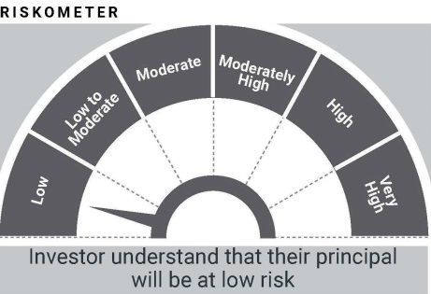

 | In line with SEBI Circular dated August 31, 2021, the name of the scheme's benchmark index and its riskometer is also provided below for information
 | Benchmark name - NIFTY 50 Arbitrage Index
 | Benchmark Risko-meter

ITIBAF
...
Notes & Symbols :-
# -> Less Than 0.005% ; A** -> Awaiting Listing on Stock Exchanges ; T** -> Thinly Traded Securities ; N** -> Non Traded Securities ; I** -> Illiquid Shares ; R** -> Rights Entitalment ; P** Preference Shares ; W** Warrants
1. Non Convertible Debentures and Bonds are considered as Traded based on information provided by external agencies.
2. ^ The Name of the Industry is in accordance with Industry Classification as recommended by AMFI.
3. All corporate ratings are assigned by rating agencies like CRISIL; CARE; ICRA; IND; BRW.
4. & For Short-term, Fixed and Margin Deposits, the yield populated is Coupon Rate
5. In Line with AMFI Best Practices Guidelines Circular No. AMFI/ 35P/ MEM-COR/ 72 / 2022-23 dated December 31, 2022 on Standard format for disclosure Portfolio YTM for Debt Schemes, yield of the instruments is disclosed on annualized basis as provided by Valuation agencies.

Product labelling of scheme
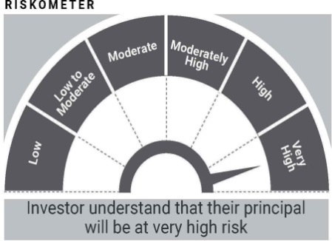

In line with SEBI Circular dated August 31, 2021, the name of the scheme's benchmark index and its riskometer is also provided below for information
Benchmark name - Nifty 50 Hybrid Composite Debt 50:50 Index
Benchmark Risko-meter
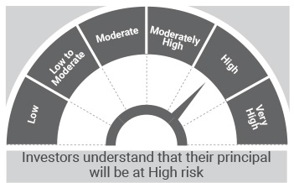

ITIBPSU
...
Notes & Symbols :-
# -> Less Than 0.005% ; A** -> Awaiting Listing on Stock Exchanges ; T** -> Thinly Traded Securities ; N** -> Non Traded Securities ; I** -> Illiquid Shares ; R** -> Rights Entitalment ; P** Preference Shares ; W** Warrants
1. Non Convertible Debentures and Bonds are considered as Traded based on information provided by external agencies.
2. ^ The Name of the Industry is in accordance with Industry Classification as recommended by AMFI.
3. All corporate ratings are assigned by rating agencies like CRISIL; CARE; ICRA; IND; BRW.
4. & For Short-term, Fixed and Margin Deposits, the yield populated is Coupon Rate
5. Aggregate Investments by other schemes as on August 31, 2023 Rs. 1553.68 Lakhs.
6. In Line with AMFI Best Practices Guidelines Circular No. AMFI/ 35P/ MEM-COR/ 72 / 2022-23 dated December 31, 2022 on Standard format for disclosure Portfolio YTM for Debt Schemes, yield of the instruments is disclosed on annualized basis as provided by Valuation agencies.

Product labelling of scheme
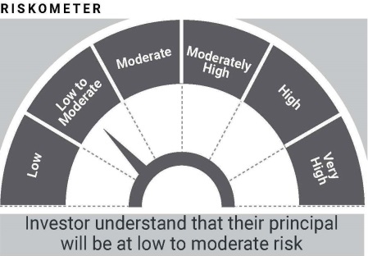

In line with SEBI Circular dated August 31, 2021, the name of the scheme's benchmark index and its riskometer is also provided below for information
Benchmark name - Crisil Banking & PSU Debt Index
Benchmark Risko-meter
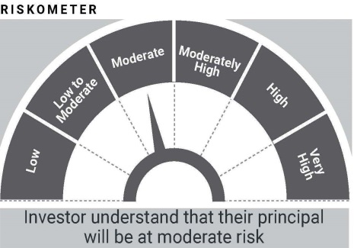

In line with SEBI circular dated June 7, 2021, PotentialRisk Class (PRC) matrix for the scheme is provided below for information
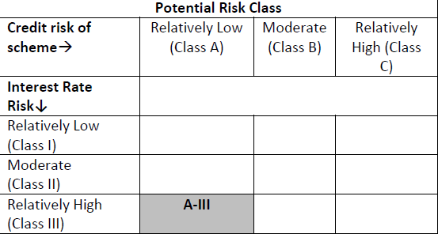

ITICHF
...
Notes & Symbols :-
# -> Less Than 0.005% ; A** -> Awaiting Listing on Stock Exchanges ; T** -> Thinly Traded Securities ; N** -> Non Traded Securities ; I** -> Illiquid Shares ; R** -> Rights Entitalment ; P** Preference Shares ; W** Warrants
1. Non Convertible Debentures and Bonds are considered as Traded based on information provided by external agencies.
2. ^ The Name of the Industry is in accordance with Industry Classification as recommended by AMFI.
3. All corporate ratings are assigned by rating agencies like CRISIL; CARE; ICRA; IND; BRW.
4. & For Short-term, Fixed and Margin Deposits, the yield populated is Coupon Rate
5. In Line with AMFI Best Practices Guidelines Circular No. AMFI/ 35P/ MEM-COR/ 72 / 2022-23 dated December 31, 2022 on Standard format for disclosure Portfolio YTM for Debt Schemes, yield of the instruments is disclosed on annualized basis as provided by Valuation agencies.

Product labelling of scheme
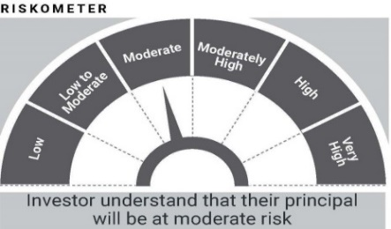

In line with SEBI Circular dated August 31, 2021, the name of the scheme's benchmark index and its riskometer is also provided below for information
Benchmark name - Nifty 50 Hybrid Composite Debt 15:85 Index
Benchmark Risko-meter
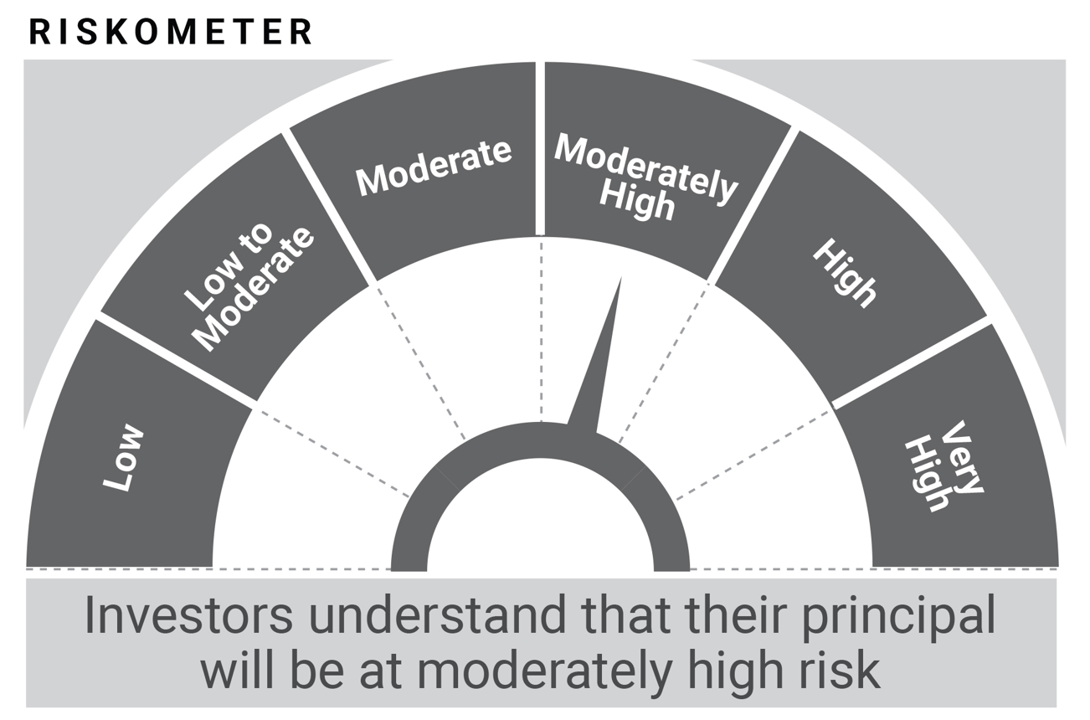

ITILF
...
In line with SEBI circular dated June 7, 2021, PotentialRisk Class (PRC) matrix for the scheme is provided below for information
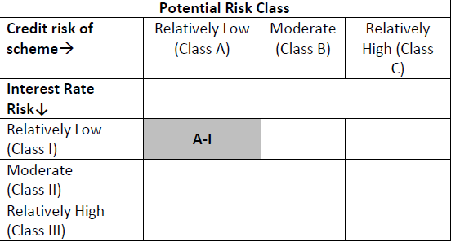

* The revised name is effect from April 03, 2023. Previous benchmark name was CRISIL Liquid Fund AI Index.

ITIUSDF
...
In line with SEBI circular dated June 7, 2021, PotentialRisk Class (PRC) matrix for the scheme is provided below for information
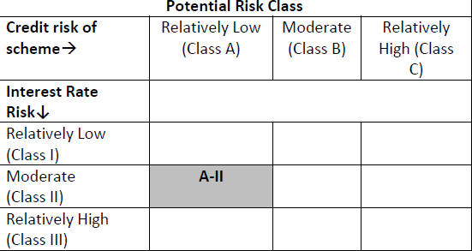

* The revised name is effect from April 03, 2023. Previous benchmark name was CRISIL Ultra Short Duration Fund AI Index.

