ITIAF
 | ITI MUTUAL FUND (LIVE SCHEMES)
 | ITI Arbitrage Fund

 | Monthly Portfolio Statement as on November 30,2023
 | Name of the Instrument | ISIN | Industry | Quantity | Market/Fair Value (Rs. in Lakhs) | % to Net Assets | Yield of the Instrument | Notes & Symbols
 | Equity & Equity related
 | (a) Listed / awaiting listing on Stock Exchanges
SPIL03 | Sun Pharmaceutical Industries Limited | INE044A01036 | Pharmaceuticals & Biotechnology | 7,000 | 85.81 | 7.79%
RIND01 | Reliance Industries Limited | INE002A01018 | Petroleum Products | 3,250 | 77.27 | 7.01%
HDFB03 | HDFC Bank Limited | INE040A01034 | Banks | 4,950 | 77.16 | 7.00%
KOMA02 | Kotak Mahindra Bank Limited | INE237A01028 | Banks | 3,200 | 56.17 | 5.10%
MUND02 | Adani Ports and Special Economic Zone Limited | INE742F01042 | Transport Infrastructure | 6,400 | 52.83 | 4.79%
TELC03 | Tata Motors Limited | INE155A01022 | Automobiles | 7,125 | 50.33 | 4.57%
MNGF02 | Manappuram Finance Limited | INE522D01027 | Finance | 30,000 | 49.32 | 4.48%
UTIB02 | Axis Bank Limited | INE238A01034 | Banks | 4,375 | 47.00 | 4.27%
RATN01 | RBL Bank Limited | INE976G01028 | Banks | 20,000 | 46.92 | 4.26%
HICO02 | Hindustan Copper Limited | INE531E01026 | Non - Ferrous Metals | 21,200 | 36.69 | 3.33%
NMDC01 | NMDC Limited | INE584A01023 | Minerals & Mining | 18,000 | 32.67 | 2.96%
SAIL01 | Steel Authority of India Limited | INE114A01011 | Ferrous Metals | 32,000 | 29.54 | 2.68%
TTEA02 | Tata Consumer Products Limited | INE192A01025 | Agricultural Food & other Products | 2,700 | 25.40 | 2.31%
JSPL03 | Jindal Steel & Power Limited | INE749A01030 | Ferrous Metals | 2,500 | 16.77 | 1.52%
AARI02 | Aarti Industries Limited | INE769A01020 | Chemicals & Petrochemicals | 3,000 | 16.63 | 1.51%
CHOL02 | Cholamandalam Investment and Finance Company Ltd | INE121A01024 | Finance | 1,250 | 13.97 | 1.27%
LTFL01 | L&T Finance Holdings Limited | INE498L01015 | Finance | 8,924 | 13.23 | 1.20%
TWAT02 | Titan Company Limited | INE280A01028 | Consumer Durables | 375 | 13.09 | 1.19%
PUBA02 | Punjab National Bank | INE160A01022 | Banks | 16,000 | 12.42 | 1.13%
INFS02 | Infosys Limited | INE009A01021 | IT - Software | 800 | 11.64 | 1.06%
ABFS01 | Aditya Birla Capital Limited | INE674K01013 | Finance | 5,400 | 9.07 | 0.82%
FEBA02 | The Federal Bank Limited | INE171A01029 | Banks | 5,000 | 7.37 | 0.67%
TISC03 | Tata Steel Limited | INE081A01020 | Ferrous Metals | 5,500 | 7.03 | 0.64%
 | Sub Total |  |  |  | 788.33 | 71.56%
 | (b) Unlisted |  |  |  | NIL | NIL
 | Sub Total |  |  |  | NIL | NIL
 | Total |  |  |  | 788.33 | 71.56%
 | Debt Instruments

 | a) Listed/awaiting listing on the stock exchanges |  |  |  | NIL | NIL

 | b) Privately Placed/Unlisted |  |  |  | NIL | NIL

 | c) Securitised Debt Instruments |  |  |  | NIL | NIL

 | d) Central Government Securities |  |  |  | NIL | NIL

 | e) State Government Securities |  |  |  | NIL | NIL

 | Total |  |  |  | NIL | NIL
 | Money Market Instruments |  |  |  | NIL | NIL

 | a) Commercial Paper |  |  |  | NIL | NIL

 | b) Certificate of Deposits |  |  |  | NIL | NIL

 | c) Treasury Bills |  |  |  | NIL | NIL

 | d) Bills Re-Discounting |  |  |  | NIL | NIL

 | Total |  |  |  | NIL | NIL
 | Others
 | Mutual Fund Units
147157 | ITI Liquid Fund - Direct Plan - Growth Option | INF00XX01283 |  | 13,696 | 168.54 | 15.30%
 | Sub Total |  |  |  | 168.54 | 15.30%
 | Exchange Traded Funds |  |  |  | NIL | NIL
 | Sub Total
 | Gold |  |  |  | NIL | NIL
 | Sub Total
 | Short Term Deposits |  |  |  | NIL | NIL
 | Sub Total
 | Term Deposits Placed as Margins |  |  |  | NIL | NIL
 | Sub Total
 | Total |  |  |  | 168.54 | 15.30%
 | CBLO / Reverse Repo / TREPS |  |  |  | NIL | NIL

 | Total |  |  |  | NIL | NIL | null
 | Net Receivables / (Payables) |  |  |  | 145.05 | 13.14%
 | GRAND TOTAL |  |  |  | 1,101.92 | 100.00%

 | DERIVATIVES

 | Name of the Instrument | Long / Short | Industry ^ | Quantity | Market value (Rs. in Lakhs) | % to Net Assets | Yield of the Instrument | Notes & Symbols
TISCDEC23 | Tata Steel Limited | Short | Ferrous Metals | -5,500 | (7.08) | (0.64)%
FEBADEC23 | The Federal Bank Limited | Short | Banks | -5,000 | (7.42) | (0.67)%
ABFSDEC23 | Aditya Birla Capital Limited | Short | Finance | -5,400 | (9.16) | (0.83)%
INFSDEC23 | Infosys Limited | Short | IT - Software | -800 | (11.73) | (1.06)%
PUBADEC23 | Punjab National Bank | Short | Banks | -16,000 | (12.51) | (1.14)%
TWATDEC23 | Titan Company Limited | Short | Consumer Durables | -375 | (13.16) | (1.19)%
LTFHDEC23 | L&T Finance Holdings Limited | Short | Finance | -8,924 | (13.33) | (1.21)%
CHOLDEC23 | Cholamandalam Investment and Finance Company Ltd | Short | Finance | -1,250 | (14.08) | (1.28)%
AARIDEC23 | Aarti Industries Limited | Short | Chemicals & Petrochemicals | -3,000 | (16.73) | (1.52)%
JSPLDEC23 | Jindal Steel & Power Limited | Short | Ferrous Metals | -2,500 | (16.91) | (1.53)%
TTEADEC23 | Tata Consumer Products Limited | Short | Agricultural Food & other Products | -2,700 | (25.56) | (2.32)%
SAILDEC23 | Steel Authority of India Limited | Short | Ferrous Metals | -32,000 | (29.71) | (2.70)%
NMDCDEC23 | NMDC Limited | Short | Minerals & Mining | -18,000 | (32.79) | (2.98)%
HICODEC23 | Hindustan Copper Limited | Short | Non - Ferrous Metals | -21,200 | (37.16) | (3.37)%
UTIBDEC23 | Axis Bank Limited | Short | Banks | -4,375 | (47.17) | (4.28)%
RTBKDEC23 | RBL Bank Limited | Short | Banks | -20,000 | (47.35) | (4.30)%
MNGFDEC23 | Manappuram Finance Limited | Short | Finance | -30,000 | (49.68) | (4.51)%
TELCDEC23 | Tata Motors Limited | Short | Automobiles | -7,125 | (50.56) | (4.59)%
MUNDDEC23 | Adani Ports and Special Economic Zone Limited | Short | Transport Infrastructure | -6,400 | (53.28) | (4.84)%
KMBKDEC23 | Kotak Mahindra Bank Limited | Short | Banks | -3,200 | (56.44) | (5.12)%
HDFBDEC23 | HDFC Bank Limited | Short | Banks | -4,950 | (77.48) | (7.03)%
RINDDEC23 | Reliance Industries Limited | Short | Petroleum Products | -3,250 | (77.89) | (7.07)%
SPILDEC23 | Sun Pharmaceutical Industries Limited | Short | Pharmaceuticals & Biotechnology | -7,000 | (86.19) | (7.82)%

 | Notes & Symbols :-
 | # -> Less Than 0.005% ; A** -> Awaiting Listing on Stock Exchanges ; T** -> Thinly Traded Securities ; N** -> Non Traded Securities ; I** -> Illiquid Shares ; R** -> Rights Entitalment ; P** Preference Shares ; W** Warrants
 | 1. Non Convertible Debentures and Bonds are considered as Traded based on information provided by external agencies.
 | 2. ^ The Name of the Industry is in accordance with Industry Classification as recommended by AMFI.
 | 3. All corporate ratings are assigned by rating agencies like CRISIL; CARE; ICRA; IND; BRW.
 | 4. & For Short-term, Fixed and Margin Deposits, the yield populated is Coupon Rate
 | 5. In Line with AMFI Best Practices Guidelines Circular No. AMFI/ 35P/ MEM-COR/ 72 / 2022-23 dated December 31, 2022 on Standard format for disclosure Portfolio YTM for Debt Schemes, yield of the instruments is disclosed on annualized basis as provided by Valuation agencies.

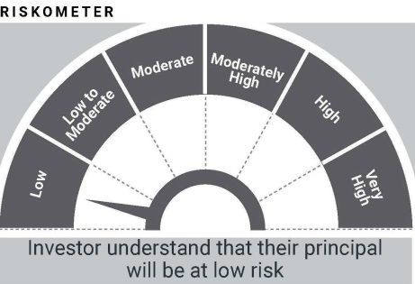

 | In line with SEBI Circular dated August 31, 2021, the name of the scheme's benchmark index and its riskometer is also provided below for information
 | Benchmark name - NIFTY 50 Arbitrage Index
 | Benchmark Risko-meter

ITIBAF
ITI MUTUAL FUND (LIVE SCHEMES)
ITI Balanced Advantage Fund

Monthly Portfolio Statement as on November 30,2023
...
Notes & Symbols :-
# -> Less Than 0.005% ; A** -> Awaiting Listing on Stock Exchanges ; T** -> Thinly Traded Securities ; N** -> Non Traded Securities ; I** -> Illiquid Shares ; R** -> Rights Entitalment ; P** Preference Shares ; W** Warrants
1. Non Convertible Debentures and Bonds are considered as Traded based on information provided by external agencies.
2. ^ The Name of the Industry is in accordance with Industry Classification as recommended by AMFI.
3. All corporate ratings are assigned by rating agencies like CRISIL; CARE; ICRA; IND; BRW.
4. & For Short-term, Fixed and Margin Deposits, the yield populated is Coupon Rate
5. In Line with AMFI Best Practices Guidelines Circular No. AMFI/ 35P/ MEM-COR/ 72 / 2022-23 dated December 31, 2022 on Standard format for disclosure Portfolio YTM for Debt Schemes, yield of the instruments is disclosed on annualized basis as provided by Valuation agencies.

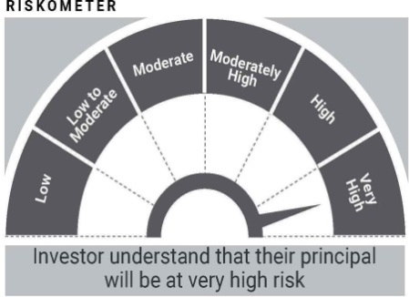

In line with SEBI Circular dated August 31, 2021, the name of the scheme's benchmark index and its riskometer is also provided below for information
Benchmark name - Nifty 50 Hybrid Composite Debt 50:50 Index
Benchmark Risko-meter
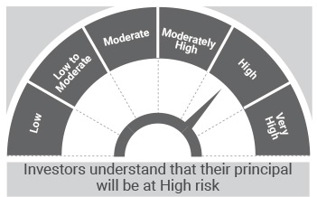

ITIBPSU
...
In line with SEBI Circular dated August 31, 2021, the name of the scheme's benchmark index and its riskometer is also provided below for information
Benchmark name - Crisil Banking & PSU Debt Index
Benchmark Risko-meter
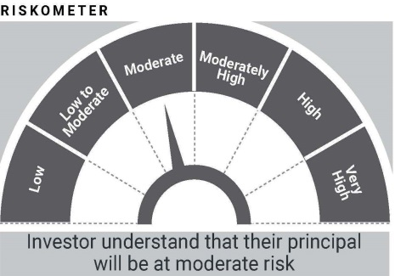

In line with SEBI circular dated June 7, 2021, PotentialRisk Class (PRC) matrix for the scheme is provided below for information
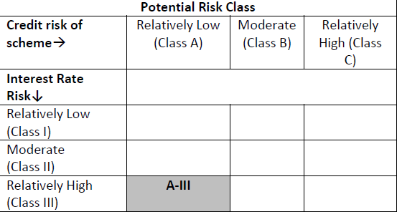

ITICHF
...
Monthly Portfolio Statement as on November 30,2023
GRAND TOTAL | 1,517.81 | 100.00%

Notes & Symbols :-
# -> Less Than 0.005% ; A** -> Awaiting Listing on Stock Exchanges ; T** -> Thinly Traded Securities ; N** -> Non Traded Securities ; I** -> Illiquid Shares ; R** -> Rights Entitalment ; P** Preference Shares ; W** Warrants
1. Non Convertible Debentures and Bonds are considered as Traded based on information provided by external agencies.
2. ^ The Name of the Industry is in accordance with Industry Classification as recommended by AMFI.
3. All corporate ratings are assigned by rating agencies like CRISIL; CARE; ICRA; IND; BRW.
4. & For Short-term, Fixed and Margin Deposits, the yield populated is Coupon Rate
5. In Line with AMFI Best Practices Guidelines Circular No. AMFI/ 35P/ MEM-COR/ 72 / 2022-23 dated December 31, 2022 on Standard format for disclosure Portfolio YTM for Debt Schemes, yield of the instruments is disclosed on annualized basis as provided by Valuation agencies.
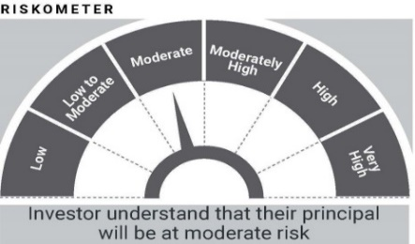

In line with SEBI Circular dated August 31, 2021, the name of the scheme's benchmark index and its riskometer is also provided below for information
Benchmark name - Nifty 50 Hybrid Composite Debt 15:85 Index
Benchmark Risko-meter
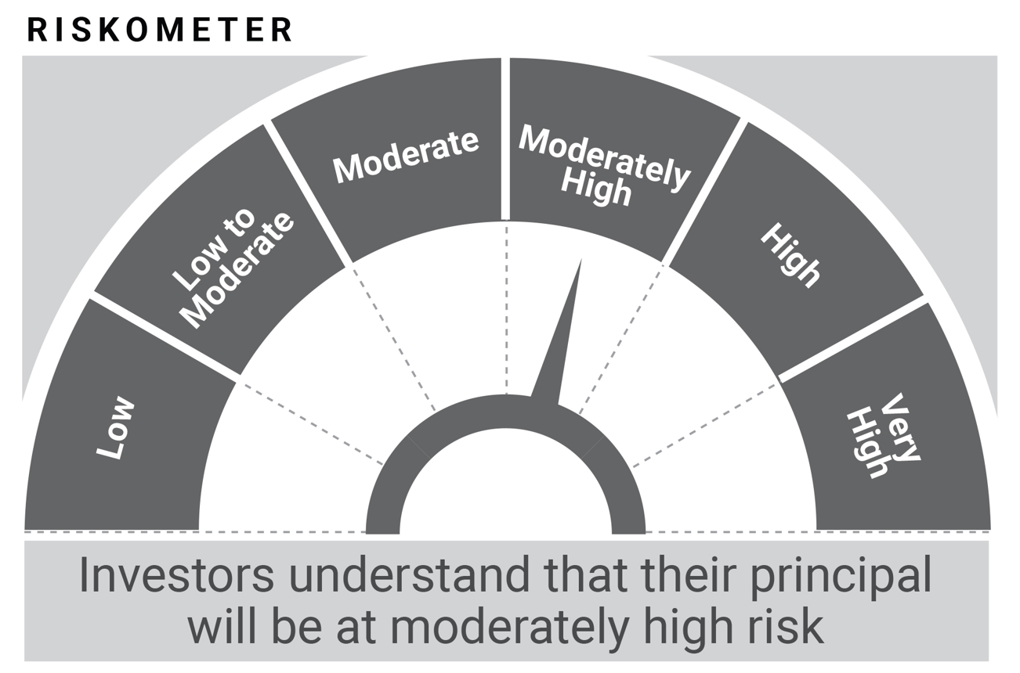

ITILF
...
In line with SEBI Circular dated August 31, 2021, the name of the scheme's benchmark index and its riskometer is also provided below for information
Benchmark name - CRISIL Liquid Debt A-I Index

Benchmark Risko-meter
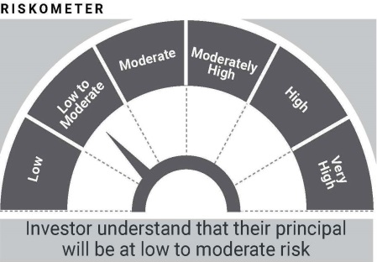

In line with SEBI circular dated June 7, 2021, PotentialRisk Class (PRC) matrix for the scheme is provided below for information
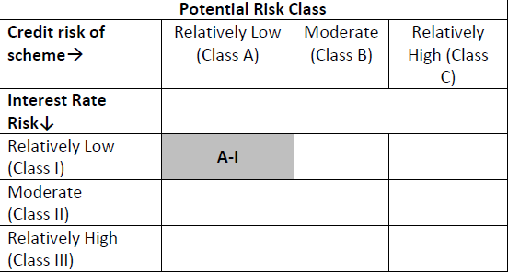

* The revised name is effect from April 03, 2023. Previous benchmark name was CRISIL Liquid Fund AI Index.

ITIUSDF
...
In line with SEBI circular dated June 7, 2021, PotentialRisk Class (PRC) matrix for the scheme is provided below for information
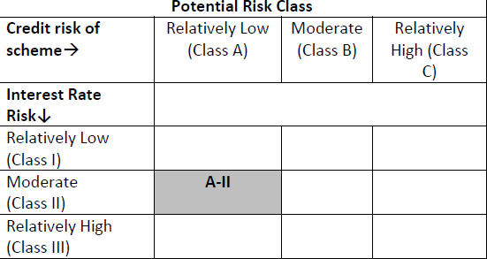

* The revised name is effect from April 03, 2023. Previous benchmark name was CRISIL Ultra Short Duration Fund AI Index.

